Sheet2
 |  |  |  |  |  |  |  | Jobaaj Learnings
Sr. No. | Name | Marks
1 | Ram | 65
2 | Lakhan | 76 |  |  |  |  | Table Of Content
3 | Jai | 100
4 | Veeru | 45
5 | Chote | 23 |  |  |  |  | 1. Intro to VlookUp
6 | Bade | 65
7 | Sita | 77 |  |  |  |  | 1. Cell referencing
8 | Gita | 33

 | Jai | 100
 | Bade | 65 |  |  |  |  |  |  |  | Thankyou for choosing us, We wish you Good luck with all your future endeavours
 | Sita | 77
 | Ram | 65
 |  |  |  |  |  |  |  |  |  | Also, we want to continue this relationship. You can get a 20% instant discount

 |  |  |  |  |  |  |  |  |  | on all our other courses after applying this coupon code "Excel20"

Sr. No. | Name | Marks |  | 0 | 0-30 | Bad |  |  |  | Regards Team Jobaaj
1 | Ram | 65 | Good | 30 | 31-50 | Average
2 | Lakhan | 76 | Very Good | 50 | 51-70 | Good
3 | Jai | 100 | Excellent | 70 | 71-99 | Very Good
4 | Veeru | 45 | Average | 100 | 100 | Excellent
5 | Chote | 23 | Bad
6 | Bade | 65 | Good
7 | Sita | 77 | Very Good |  |  |  |  | You can connect with us on |  |  |  | You can connect with the trainer on
8 | Gita | 33 | Average

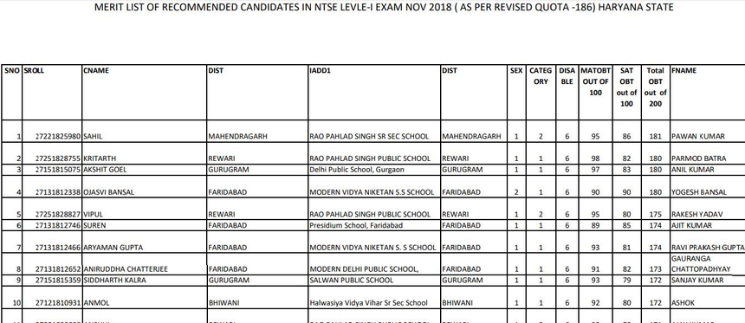
 |  |  |  |  |  |  |  |  | LinkedIn |  | Instagram |  | LinkedIn | Instagram | Medium

